Raw Data
Butron Custom X 2016-2015 Unit Sales
Month | 2016 | 2017 | 2018 | 2019 | 2020 | 2021 | 2022 | 2023 | 2024 | 2025
Jan | 1,155 | 1,176 | 1,503 | 998 | 1,569 | 1,563 | 1,364 | 1,572 | 1,520 | 1,772
Feb | 904 | 1,066 | 1,024 | 1007 | 1,172 | 1,334 | 1,280 | 1,261 | 1,340 | 1,320
Mar | 757 | 830 | 753 | 755 | 834 | 842 | 719 | 985 | 1014 | 998
Apr | 394 | 426 | 391 | 278 | 444 | 468 | 498 | 481 | 515 | 501
May | 130 | 136 | 128 | 118 | 158 | 150 | 160 | 158 | 187 | 175
Jun | 67 | 59 | 66 | 67 | 69 | 74 | 88 | 82 | 90 | 90
Jul | 72 | 69 | 70 | 49 | 85 | 75 | 77 | 84 | 78 | 84
Aug | 123 | 136 | 116 | 121 | 173 | 150 | 158 | 168 | 169 | 182
Sep | 2,187 | 2,504 | 1,968 | 2,055 | 2,795 | 3,213 | 2,637 | 2,773 | 3,058 | 3,076
Oct | 2,467 | 2,402 | 2,379 | 1,864 | 2,593 | 2,675 | 2,294 | 2,804 | 3,302 | 2,801
Nov | 2,091 | 2,392 | 2,045 | 1,575 | 2,170 | 2,150 | 2,242 | 2,000 | 2,279 | 2,576
Dec | 2,503 | 2,863 | 2,642 | 2,167 | 2,941 | 2,776 | 2,615 | 3,650 | 3,267 | 3,708
Total | 12,850 | 14,059 | 13,085 | 11,054 | 15,003 | 15,470 | 14,132 | 16,018 | 16,819 | 17,283
Min | 67 | 59 | 66 | 49 | 69 | 74 | 77 | 82 | 78 | 84
Max | 2,503 | 2,863 | 2,642 | 2,167 | 2,941 | 3,213 | 2,637 | 3,650 | 3,302 | 3,708

Board Price | $699.95 | $729.95 | $749.95 | $749.95 | $779.95 | $799.95 | $799.95 | $829.95 | $849.95 | $849.95
Revenue | $8,994,357.50 | $10,262,367.05 | $9,813,095.75 | $8,289,947.30 | $11,701,589.85 | $12,375,226.50 | $11,304,893.40 | $13,294,139.10 | $14,295,309.05 | $14,689,685.85

 |  |  |  |  |  |  |  |  |  |  | Year | MSRP (Sales Price)
 |  |  |  |  |  |  |  |  |  |  | 2016 | $699.95
 |  |  |  |  |  |  |  |  |  |  | 2017 | $729.95
 |  |  |  |  |  |  |  |  |  |  | 2018 | $749.95
 |  |  |  |  |  |  |  |  |  |  | 2019 | $749.95
10 Year Max & Min Trend
 |  |  |  |  |  |  |  |  |  |  | 2020 | $779.95
Yearly total Sales (non-Inflated)
 |  |  |  |  |  |  |  |  |  |  | 2021 | $799.95
 |  |  |  |  |  |  |  |  |  |  | 2022 | $799.95
 |  |  |  |  |  |  |  |  |  |  | 2023 | $829.95
 |  |  |  |  |  |  |  |  |  |  | 2024 | $849.95
 |  |  |  |  |  |  |  |  |  |  | 2025 | $849.95

Model Setup
Labels | Units | Level (Lt) | Trend (Tt) | Seasonality(St) | Model | Residual | Initial Period | Level | Trend | a | b | g
16-Jan | 1,155 | Initializing | Initializing | 1.0785992218 | Initializing |  | 16-Dec | 1,071 | 50.375 | 0.2 | 0.2 | 0.3
16-Feb | 904 | Initializing | Initializing | 0.84420233463 | Initializing
16-Mar | 757 | Initializing | Initializing | 0.70692607004 | Initializing
16-Apr | 394 | Initializing | Initializing | 0.36793774319 | Initializing
16-May | 130 | Initializing | Initializing | 0.12140077821 | Initializing
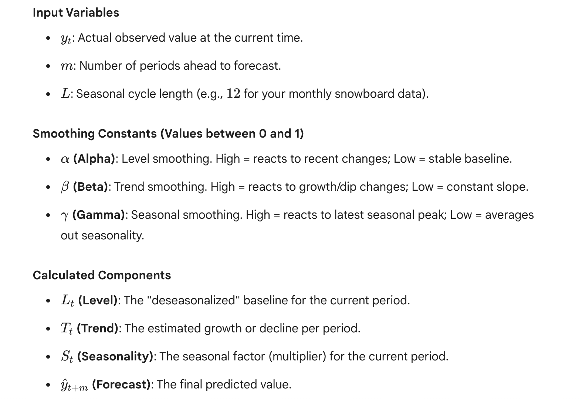
16-Jun | 67 | Initializing | Initializing | 0.062568093385 | Initializing
16-Jul | 72 | Initializing | Initializing | 0.067237354086 | Initializing
16-Aug | 123 | Initializing | Initializing | 0.11486381323 | Initializing
16-Sep | 2,187 | Initializing | Initializing | 2.0423346304 | Initializing
16-Oct | 2,467 | Initializing | Initializing | 2.3038132296 | Initializing
16-Nov | 2,091 | Initializing | Initializing | 1.9526848249 | Initializing
16-Dec | 2,503 | 1,071 | 50.375 | 2.3374319066 | Initializing
17-Jan | 1,176 | 1,115 | 49 | 1 | 1,209
17-Feb | 1,066 | 1,184 | 53 | 1 | 983
17-Mar | 830 | 1,224 | 51 | 1 | 874
17-Apr | 426 | 1,252 | 46 | 0 | 469
17-May | 136 | 1,262 | 39 | 0 | 158
17-Jun | 59 | 1,229 | 24 | 0 | 81
17-Jul | 69 | 1,208 | 15 | 0 | 84
17-Aug | 136 | 1,216 | 14 | 0 | 141
17-Sep | 2,504 | 1,229 | 14 | 2 | 2,511
17-Oct | 2,402 | 1,202 | 6 | 2 | 2,862
17-Nov | 2,392 | 1,212 | 6 | 2 | 2,359
17-Dec | 2,863 | 1,219 | 7 | 2 | 2,847
18-Jan | 1,503 | 1,261 | 14 | 1 | 1,313
18-Feb | 1,024 | 1,258 | 10 | 1 | 1,098
18-Mar | 753 | 1,230 | 3 | 1 | 885
18-Apr | 391 | 1,204 | -3 | 0 | 443
18-May | 128 | 1,179 | -8 | 0 | 141
18-Jun | 66 | 1,164 | -9 | 0 | 68
18-Jul | 70 | 1,142 | -12 | 0 | 74
18-Aug | 116 | 1,108 | -16 | 0 | 129
18-Sep | 1,968 | 1,066 | -21 | 2 | 2,228
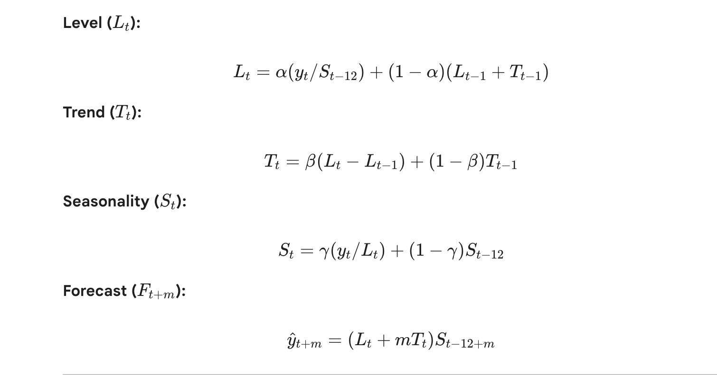
18-Oct | 2,379 | 1,051 | -20 | 2 | 2,312
18-Nov | 2,045 | 1,034 | -19 | 2 | 2,020
18-Dec | 2,642 | 1,037 | -15 | 2 | 2,374
19-Jan | 998 | 998 | -20 | 1 | 1,132
19-Feb | 1007 | 1,020 | -11 | 1 | 829
19-Mar | 755 | 1,032 | -7 | 1 | 679
19-Apr | 278 | 979 | -16 | 0 | 358
19-May | 118 | 977 | -13 | 0 | 111
19-Jun | 67 | 1,003 | -5 | 0 | 56
19-Jul | 49 | 952 | -14 | 0 | 63
19-Aug | 121 | 968 | -8 | 0 | 104
19-Sep | 2,055 | 975 | -5 | 2 | 1,903
19-Oct | 1,864 | 943 | -11 | 2 | 2,160
19-Nov | 1,575 | 906 | -16 | 2 | 1,833
19-Dec | 2,167 | 893 | -15 | 2 | 2,140
20-Jan | 1,569 | 994 | 8 | 1 | 943
20-Feb | 1,172 | 1,065 | 21 | 1 | 890
20-Mar | 834 | 1,110 | 25 | 1 | 749
20-Apr | 444 | 1,178 | 34 | 0 | 374
20-May | 158 | 1,241 | 40 | 0 | 141
20-Jun | 69 | 1,252 | 34 | 0 | 77
20-Jul | 85 | 1,314 | 40 | 0 | 77
20-Aug | 173 | 1,383 | 45 | 0 | 156
20-Sep | 2,795 | 1,419 | 44 | 2 | 2,884
20-Oct | 2,593 | 1,411 | 33 | 2 | 3,148
20-Nov | 2,170 | 1,384 | 21 | 2 | 2,740
20-Dec | 2,941 | 1,369 | 14 | 2 | 3,388
21-Jan | 1,563 | 1,361 | 10 | 1 | 1,695
21-Feb | 1,334 | 1,377 | 11 | 1 | 1,305
21-Mar | 842 | 1,348 | 3 | 1 | 983
21-Apr | 468 | 1,353 | 3 | 0 | 464
21-May | 150 | 1,335 | -1 | 0 | 162
21-Jun | 74 | 1,319 | -4 | 0 | 79
21-Jul | 75 | 1,297 | -8 | 0 | 81
21-Aug | 150 | 1,285 | -8 | 0 | 152
21-Sep | 3,213 | 1,342 | 5 | 2 | 2,559
21-Oct | 2,675 | 1,337 | 3 | 2 | 2,770
21-Nov | 2,150 | 1,311 | -3 | 2 | 2,409
21-Dec | 2,776 | 1,285 | -8 | 2 | 3,050
22-Jan | 1,364 | 1,248 | -13 | 1 | 1,536
22-Feb | 1,280 | 1,255 | -9 | 1 | 1,182
22-Mar | 719 | 1,207 | -17 | 1 | 851
22-Apr | 498 | 1,241 | -7 | 0 | 410
22-May | 160 | 1,260 | -2 | 0 | 145
22-Jun | 88 | 1,310 | 9 | 0 | 73
22-Jul | 77 | 1,310 | 7 | 0 | 79
22-Aug | 158 | 1,322 | 8 | 0 | 155
22-Sep | 2,637 | 1,312 | 4 | 2 | 2,822
22-Oct | 2,294 | 1,278 | -3 | 2 | 2,687
22-Nov | 2,242 | 1,276 | -3 | 2 | 2,232
22-Dec | 2,615 | 1,248 | -8 | 2 | 2,903
23-Jan | 1,572 | 1,261 | -4 | 1 | 1,450
23-Feb | 1,261 | 1,264 | -3 | 1 | 1,227
23-Mar | 985 | 1,309 | 7 | 1 | 829
23-Apr | 481 | 1,319 | 8 | 0 | 476
23-May | 158 | 1,324 | 7 | 0 | 160
23-Jun | 82 | 1,334 | 8 | 0 | 81
23-Jul | 84 | 1,355 | 10 | 0 | 80
23-Aug | 168 | 1,376 | 12 | 0 | 161
23-Sep | 2,773 | 1,376 | 10 | 2 | 2,899
23-Oct | 2,804 | 1,394 | 12 | 2 | 2,727
23-Nov | 2,000 | 1,353 | 1 | 2 | 2,464
23-Dec | 3,650 | 1,411 | 13 | 2 | 3,013
24-Jan | 1,520 | 1,394 | 7 | 1 | 1,699
24-Feb | 1,340 | 1,393 | 5 | 1 | 1,376
24-Mar | 1014 | 1,414 | 8 | 1 | 959
24-Apr | 515 | 1,422 | 8 | 0 | 516
24-May | 187 | 1,456 | 13 | 0 | 172
24-Jun | 90 | 1,470 | 14 | 0 | 90
24-Jul | 78 | 1,445 | 6 | 0 | 90
24-Aug | 169 | 1,444 | 4 | 0 | 173
24-Sep | 3,058 | 1,455 | 6 | 2 | 2,992
24-Oct | 3,302 | 1,502 | 14 | 2 | 2,891
24-Nov | 2,279 | 1,485 | 8 | 2 | 2,531
24-Dec | 3,267 | 1,475 | 4 | 2 | 3,484
25-Jan | 1,772 | 1,488 | 6 | 1 | 1,719
25-Feb | 1,320 | 1,466 | 0 | 1 | 1,459
25-Mar | 998 | 1,460 | -1 | 1 | 1,019
25-Apr | 501 | 1,444 | -4 | 0 | 529
25-May | 175 | 1,437 | -4 | 0 | 177
25-Jun | 90 | 1,441 | -3 | 0 | 87
25-Jul | 84 | 1,438 | -3 | 0 | 84
25-Aug | 182 | 1,454 | 1 | 0 | 170
25-Sep | 3,076 | 1,461 | 2 | 2 | 3,023
25-Oct | 2,801 | 1,444 | -2 | 2 | 2,992
25-Nov | 2,576 | 1,470 | 4 | 2 | 2,350
25-Dec | 3,708 | 1,502 | 9 | 2 | 3,387
2026-01-26 | 1,845 | 1,524 | 12 | 1 | 1,769
2026-02-26 | 1,414 | 1,526 | 10 | 1 | 1,465
2026-03-26 | 1,049 | 1,532 | 9 | 1 | 1,062
2026-04-26 | 527 | 1,527 | 6 | 0 | 551 | Forcast Month
2026-05-26 |  |  |  |  | 188 | 1
2026-06-26 |  |  |  |  | 95 | 2
2026-07-26 |  |  |  |  | 90 | 3
2026-08-26 |  |  |  |  | 187 | 4
2026-09-26 |  |  |  |  | 3,252 | 5
2026-10-26 |  |  |  |  | 3,153 | 6
2026-11-26 |  |  |  |  | 2,620 | 7
2026-12-26 |  |  |  |  | 3,709 | 8
2026-01-27 |  |  |  |  | 1,875 | 9
2026-02-27 |  |  |  |  | 1,505 | 10
2026-03-27 |  |  |  |  | 1,102 | 11
2026-04-27 |  |  |  |  | 568 | 12

Model
Labels | Actual Sales | Level (Lt) | Trend (Tt) | Seasonality(St) | Model | Residual | Residual^2 | % Error
17-Jan | 1,176 | 1,113 | 49 | 1 | 1,209 | -33 | 1,111.18 | 3%
17-Feb | 1,066 | 1,190 | 53 | 1 | 981 | 85 | 7,255.66 | 8%
17-Mar | 830 | 1,224 | 50 | 1 | 879 | -49 | 2,370.09 | 6% |  | a | b | g
17-Apr | 426 | 1,241 | 46 | 0 | 469 | -43 | 1,829.67 | 10% |  | 0.28052538909 | 0.12495277576 | 0.27569257205
17-May | 136 | 1,241 | 40 | 0 | 156 | -20 | 413.65 | 15%
17-Jun | 59 | 1,186 | 29 | 0 | 80 | -21 | 447.99 | 36% |  | MAE | MSE | MAPE
17-Jul | 69 | 1,162 | 22 | 0 | 82 | -13 | 161.07 | 18% |  | 115 | 36,369 | 9%
9 Year Holtz-Winter Forcast Model Vs Actual Unit Sales
17-Aug | 136 | 1,184 | 22 | 0 | 136 | 0 | 0.00 | 0%
17-Sep | 2,504 | 1,212 | 23 | 2 | 2,463 | 41 | 1,675.61 | 2%
17-Oct | 2,402 | 1,181 | 16 | 2 | 2,844 | -442 | 195,054.91 | 18%
17-Nov | 2,392 | 1,205 | 17 | 2 | 2,336 | 56 | 3,088.11 | 2%
17-Dec | 2,863 | 1,222 | 17 | 2 | 2,855 | 8 | 62.06 | 0%
18-Jan | 1,503 | 1,285 | 23 | 1 | 1,330 | 173 | 30,076.67 | 12%
18-Feb | 1,024 | 1,275 | 19 | 1 | 1,122 | -98 | 9,695.89 | 10%
18-Mar | 753 | 1,233 | 11 | 1 | 905 | -152 | 23,007.47 | 20%
18-Apr | 391 | 1,199 | 5 | 0 | 449 | -58 | 3,407.64 | 15%
18-May | 128 | 1,171 | 1 | 0 | 142 | -14 | 205.03 | 11%
18-Jun | 66 | 1,157 | -1 | 0 | 69 | -3 | 10.05 | 5%
18-Jul | 70 | 1,134 | -3 | 0 | 75 | -5 | 27.31 | 7%
18-Aug | 116 | 1,096 | -8 | 0 | 130 | -14 | 190.49 | 12%
18-Sep | 1,968 | 1,053 | -12 | 2 | 2,231 | -263 | 69,003.02 | 13%
18-Oct | 2,379 | 1,048 | -11 | 2 | 2,320 | 59 | 3,491.39 | 2%
18-Nov | 2,045 | 1,038 | -11 | 2 | 2,034 | 11 | 125.51 | 1%
18-Dec | 2,642 | 1,056 | -7 | 2 | 2,402 | 240 | 57,415.70 | 9%
19-Jan | 998 | 1,009 | -12 | 1 | 1,153 | -155 | 23,948.98 | 16%
19-Feb | 1007 | 1,052 | -5 | 1 | 840 | 167 | 27,810.90 | 17%
19-Mar | 755 | 1,067 | -3 | 1 | 706 | 49 | 2,390.64 | 6%
19-Apr | 278 | 987 | -12 | 0 | 374 | -96 | 9,207.65 | 35%
19-May | 118 | 988 | -11 | 0 | 113 | 5 | 26.78 | 4%
19-Jun | 67 | 1,024 | -5 | 0 | 57 | 10 | 97.70 | 15%
19-Jul | 49 | 947 | -14 | 0 | 65 | -16 | 268.12 | 33%
19-Aug | 121 | 974 | -9 | 0 | 105 | 16 | 259.63 | 13%
19-Sep | 2,055 | 982 | -7 | 2 | 1,929 | 126 | 15,868.50 | 6%
19-Oct | 1,864 | 935 | -12 | 2 | 2,186 | -322 | 103,895.71 | 17%
19-Nov | 1,575 | 889 | -16 | 2 | 1,814 | -239 | 57,072.36 | 15%
19-Dec | 2,167 | 883 | -15 | 2 | 2,082 | 85 | 7,218.83 | 4%
20-Jan | 1,569 | 1,037 | 6 | 1 | 929 | 640 | 410,097.93 | 41%
20-Feb | 1,172 | 1,126 | 17 | 1 | 912 | 260 | 67,558.58 | 22%
20-Mar | 834 | 1,165 | 19 | 1 | 781 | 53 | 2,758.75 | 6%
20-Apr | 444 | 1,227 | 25 | 0 | 393 | 51 | 2,576.45 | 11%
20-May | 158 | 1,280 | 28 | 0 | 146 | 12 | 141.19 | 8%
20-Jun | 69 | 1,262 | 22 | 0 | 79 | -10 | 100.34 | 15%
20-Jul | 85 | 1,317 | 26 | 0 | 78 | 7 | 49.23 | 8%
20-Aug | 173 | 1,386 | 32 | 0 | 155 | 18 | 312.49 | 10%
20-Sep | 2,795 | 1,407 | 31 | 2 | 2,871 | -76 | 5,772.09 | 3%
20-Oct | 2,593 | 1,369 | 22 | 2 | 3,124 | -531 | 281,458.93 | 20%
20-Nov | 2,170 | 1,320 | 13 | 2 | 2,658 | -488 | 238,440.96 | 23%
20-Dec | 2,941 | 1,302 | 9 | 2 | 3,202 | -261 | 68,105.23 | 9%
21-Jan | 1,563 | 1,311 | 9 | 1 | 1,563 | 0 | 0.24 | 0%
21-Feb | 1,334 | 1,357 | 14 | 1 | 1,215 | 119 | 14,058.28 | 9%
21-Mar | 842 | 1,327 | 8 | 1 | 949 | -107 | 11,527.45 | 13%
21-Apr | 468 | 1,346 | 10 | 0 | 455 | 13 | 181.03 | 3%
21-May | 150 | 1,331 | 6 | 0 | 161 | -11 | 117.72 | 7%
21-Jun | 74 | 1,315 | 4 | 0 | 79 | -5 | 21.63 | 6%
21-Jul | 75 | 1,289 | 0 | 0 | 81 | -6 | 41.83 | 9%
21-Aug | 150 | 1,284 | -1 | 0 | 152 | -2 | 5.58 | 2%
21-Sep | 3,213 | 1,371 | 10 | 2 | 2,584 | 629 | 395,292.39 | 20%
21-Oct | 2,675 | 1,352 | 7 | 2 | 2,894 | -219 | 47,815.96 | 8%
21-Nov | 2,150 | 1,305 | 0 | 2 | 2,495 | -345 | 119,317.51 | 16%
21-Dec | 2,776 | 1,269 | -5 | 2 | 3,085 | -309 | 95,455.84 | 11%
22-Jan | 1,364 | 1,231 | -9 | 1 | 1,507 | -143 | 20,314.60 | 10%
22-Feb | 1,280 | 1,262 | -4 | 1 | 1,146 | 134 | 18,013.36 | 10%
22-Mar | 719 | 1,204 | -11 | 1 | 851 | -132 | 17,554.70 | 18%
22-Apr | 498 | 1,266 | -1 | 0 | 408 | 90 | 8,025.99 | 18%
22-May | 160 | 1,294 | 2 | 0 | 148 | 12 | 144.50 | 8%
22-Jun | 88 | 1,357 | 10 | 0 | 75 | 13 | 160.64 | 14%
22-Jul | 77 | 1,339 | 6 | 0 | 83 | -6 | 37.18 | 8%
22-Aug | 158 | 1,344 | 6 | 0 | 158 | 0 | 0.23 | 0%
22-Sep | 2,637 | 1,323 | 3 | 2 | 2,842 | -205 | 42,225.54 | 8%
22-Oct | 2,294 | 1,266 | -5 | 2 | 2,735 | -441 | 194,739.73 | 19%
22-Nov | 2,242 | 1,260 | -5 | 2 | 2,250 | -8 | 69.86 | 0%
22-Dec | 2,615 | 1,220 | -9 | 2 | 2,904 | -289 | 83,591.73 | 11%
23-Jan | 1,572 | 1,248 | -5 | 1 | 1,414 | 158 | 24,837.79 | 10%
23-Feb | 1,261 | 1,264 | -2 | 1 | 1,192 | 69 | 4,726.26 | 5%
23-Mar | 985 | 1,330 | 6 | 1 | 826 | 159 | 25,242.15 | 16%
23-Apr | 481 | 1,340 | 7 | 0 | 476 | 5 | 22.94 | 1%
23-May | 158 | 1,342 | 6 | 0 | 160 | -2 | 4.21 | 1%
23-Jun | 82 | 1,354 | 7 | 0 | 81 | 1 | 1.27 | 1%
23-Jul | 84 | 1,372 | 8 | 0 | 81 | 3 | 6.32 | 3%
23-Aug | 168 | 1,394 | 10 | 0 | 163 | 5 | 29.24 | 3%
23-Sep | 2,773 | 1,385 | 8 | 2 | 2,912 | -139 | 19,383.15 | 5%
23-Oct | 2,804 | 1,396 | 8 | 2 | 2,778 | 26 | 696.68 | 1%
23-Nov | 2,000 | 1,325 | -2 | 2 | 2,505 | -505 | 255,218.65 | 25%
23-Dec | 3,650 | 1,404 | 8 | 2 | 3,001 | 649 | 420,941.64 | 18%
24-Jan | 1,520 | 1,373 | 3 | 1 | 1,685 | -165 | 27,377.53 | 11%
24-Feb | 1,340 | 1,378 | 4 | 1 | 1,335 | 5 | 29.52 | 0%
24-Mar | 1014 | 1,413 | 8 | 1 | 937 | 77 | 5,854.35 | 8%
24-Apr | 515 | 1,427 | 8 | 0 | 507 | 8 | 57.46 | 1%
24-May | 187 | 1,475 | 13 | 0 | 170 | 17 | 285.28 | 9%
24-Jun | 90 | 1,491 | 14 | 0 | 90 | 0 | 0.23 | 1%
24-Jul | 78 | 1,445 | 6 | 0 | 91 | -13 | 159.67 | 16%
24-Aug | 169 | 1,445 | 5 | 0 | 172 | -3 | 9.30 | 2%
24-Sep | 3,058 | 1,461 | 7 | 2 | 2,979 | 79 | 6,282.92 | 3%
24-Oct | 3,302 | 1,519 | 13 | 2 | 2,932 | 370 | 136,957.71 | 11%
24-Nov | 2,279 | 1,477 | 6 | 2 | 2,617 | -338 | 114,483.32 | 15%
24-Dec | 3,267 | 1,456 | 3 | 2 | 3,499 | -232 | 54,014.78 | 7%
25-Jan | 1,772 | 1,474 | 5 | 1 | 1,706 | 66 | 4,365.77 | 4%
25-Feb | 1,320 | 1,446 | 1 | 1 | 1,435 | -115 | 13,229.26 | 9%
25-Mar | 998 | 1,447 | 1 | 1 | 997 | 1 | 1.36 | 0%
25-Apr | 501 | 1,434 | -1 | 0 | 518 | -17 | 303.26 | 3%
Burton Custom X: 12 Month Forcast Unit Sales
25-May | 175 | 1,437 | 0 | 0 | 173 | 2 | 3.70 | 1%
25-Jun | 90 | 1,453 | 2 | 0 | 87 | 3 | 12.24 | 4%
25-Jul | 84 | 1,449 | 1 | 0 | 85 | -1 | 1.25 | 1%
25-Aug | 182 | 1,476 | 4 | 0 | 171 | 11 | 115.44 | 6%
25-Sep | 3,076 | 1,482 | 4 | 2 | 3,056 | 20 | 395.82 | 1%
25-Oct | 2,801 | 1,454 | 0 | 2 | 3,043 | -242 | 58,440.94 | 9%
25-Nov | 2,576 | 1,481 | 4 | 2 | 2,417 | 159 | 25,209.77 | 6%
25-Dec | 3,708 | 1,515 | 7 | 2 | 3,455 | 253 | 63,822.82 | 7%
2026-01-26 | 1,845 | 1,534 | 9 | 1 | 1,794 | 51 | 2,570.20 | 3%
2026-02-26 | 1,414 | 1,526 | 7 | 1 | 1,473 | -59 | 3,495.48 | 4%
2026-03-26 | 1,049 | 1,530 | 6 | 1 | 1,057 | -8 | 58.23 | 1%
2026-04-26 | 527 | 1,521 | 4 | 0 | 546 | -19 | 377.19 | 4% | Forcast Month
26-May | 2026-05-26 |  |  |  | 185 |  |  |  | 1
26-Jun | 2026-06-26 |  |  |  | 93 |  |  |  | 2
26-Jul | 2026-07-26 |  |  |  | 90 |  |  |  | 3
26-Aug | 2026-08-26 |  |  |  | 184 |  |  |  | 4
26-Sep | 2026-09-26 |  |  |  | 3,191 |  |  |  | 5
26-Oct | 2026-10-26 |  |  |  | 3,116 |  |  |  | 6
26-Nov | 2026-11-26 |  |  |  | 2,613 |  |  |  | 7
26-Dec | 2026-12-26 |  |  |  | 3,674 |  |  |  | 8
27-Jan | 2026-01-27 |  |  |  | 1,850 |  |  |  | 9
27-Feb | 2026-02-27 |  |  |  | 1,482 |  |  |  | 10
27-Mar | 2026-03-27 |  |  |  | 1,081 |  |  |  | 11
27-Apr | 2026-04-27 |  |  |  | 556 |  |  |  | 12

